Chart08_ReactorsUnderConstructi
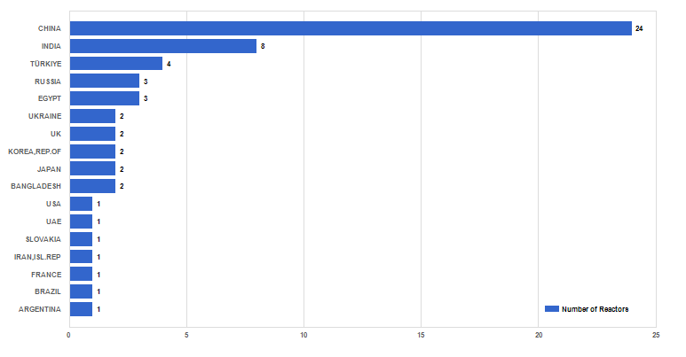
Figure 8. Number of reactors under construction worldwide (as of 31 Dec. 2023)

